Read me!
KICK'S EVENTS REGISTRATION FORM
2022-2023 Season

**NEW REGISTRATION FORM**
Refer to this page to fill out the form. For any question, please contact us by email.
info@kickscheer.com

Please fill out the information by page order.

FIRST PAGE - INFORMATION

SECTION 1

Fill out all the GREY fields about the program or school.

*Don't forget to select if you are a member of your federation or not. If you are not a member, a 25$ per team will be charged for every competition you are registered to.

**Please note that all schools from the RSEQ are automatically members.

SECTION 2

Fill out all the GREY fields about the person in charge. This person is the one able to answer our questions if necessary.

*Please note that the invoice will be sent to the above-mentioned email.

SECTION 3

Write the name of all your teams. Then, in the fields where you see the 'choose' option, select the information related to the specific team.

For any question regarding ages or level, please refer to the Fédération de Cheerlading du Québec documents. For an easy access, click on the links below.

Catégories Division Civile - Fédération de Cheerleading du Québec (civil division)
Catégories Division Scolaire - Fédération de Cheerleading du Québec (school division)

SECTION 4

This section is showing you the summary of the fees for the additional support staff. Information will populate itself once the form is completed.

SECOND PAGE - ATHLETES

Enter all information on athletes on this page. This step is important for the number calculation of athletes per team.

You have to register every team in which the athletes are competing (crossover).

The teams you entered on the last page will be populated in a drop-down list on this page for your convenience.

*The Age column will be automatically updated when you enter the date of birth if you used the yyyy/mm/dd format.

THIRD PAGE - COMPETITION CHOICES

In the GREY fields, select the competition to which this team is registering.

All the other information will be added if the previous ones were well completed.

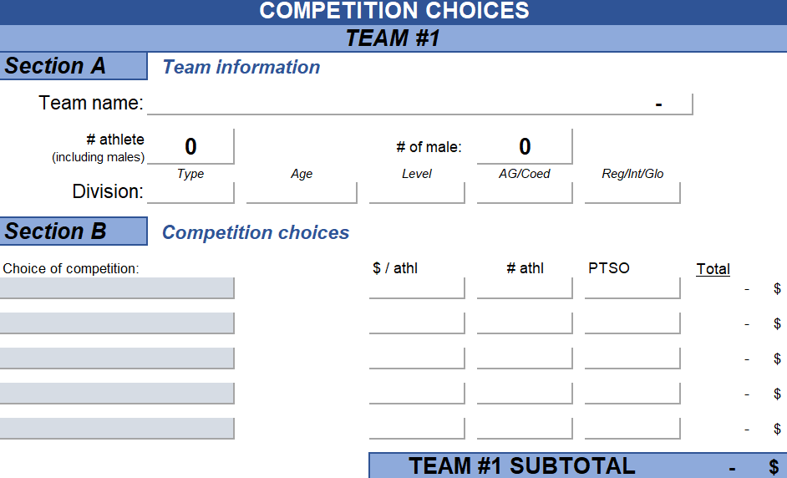

FOURTH PAGE - COACHES AND SUPPORT STAFF

Enter all information about the support staff on this page. You have to enter all support staff that will accompany each team, whether it is a coach, a physiotherapist, etc.

Then, select ''YES'' in the field that corresponds to the competition.

IMPORTANT: It is mandatory to enter the emails of the coaches and people in charge so that the competition information can be sent to them.

SUMMARY

Now, if you return to ''Information'' page, all data were added. You have then a summary there.

WARNING: This is not an invoice. You will receive a formal invoice from Kick's.

In the event that there is a difference between the registering file price and the one on the website, the website price has priority over this file.

DOCUMENT SUBMISSION

Go to the Kick's Events website on the following page.

Inscription | Kick's Cheer&Events (kickscheer.com)
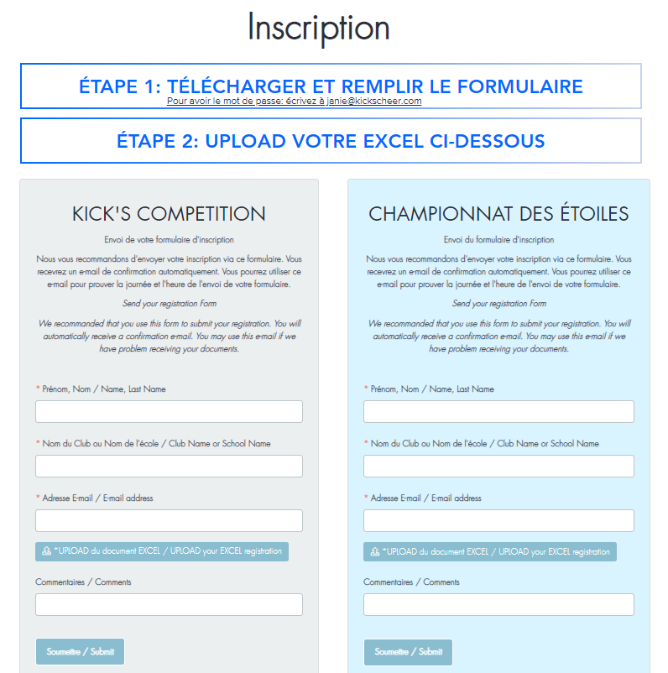

Inscrire les informations demandés et joindre le document à cet endroit.

Informations
REGISTRATION FORM
 |  |  |  |  |  |  |  | 2022-09-13
GENERAL INFORMATION
Section 1 | Program or School Information

Name:
 | address street #, | street |  |  |  | City |  | Postal Code
Adress:

Member of your provincial federation (PTSO):

FILL IN ALL GREY BOXES
Section 2 | Person in charge for the Program or School

First, Last Name:

Phone number: |  |  |  |  | E-mail:

Section 3 | Team Information Summary

 | Team Name | # of athletes | Type | Age | Level | AG/Coed | Reg/Int/Glo | Total
Team #1 |  | 0 | Choose | Choose | Choose | Choose | Choose | - $
Team #2 |  | 0 | Choose | Choose | Choose | Choose | Choose | - $
Team #3 |  | 0 | Choose | Choose | Choose | Choose | Choose | - $
Team #4 |  | 0 | Choose | Choose | Choose | Choose | Choose | - $
Team #5 |  | 0 | Choose | Choose | Choose | Choose | Choose | - $
Team #6 |  | 0 | Choose | Choose | Choose | Choose | Choose | - $
Team #7 |  | 0 | Choose | Choose | Choose | Choose | Choose | - $
Team #8 |  | 0 | Choose | Choose | Choose | Choose | Choose | - $
Team #9 |  | 0 | Choose | Choose | Choose | Choose | Choose | - $
Team #10 |  | 0 | Choose | Choose | Choose | Choose | Choose | - $
Team #11 |  | 0 | Choose | Choose | Choose | Choose | Choose | - $
Team #12 |  | 0 | Choose | Choose | Choose | Choose | Choose | - $
Team #13 |  | 0 | Choose | Choose | Choose | Choose | Choose | - $
Team #14 |  | 0 | Choose | Choose | Choose | Choose | Choose | - $
Team #15 |  | 0 | Choose | Choose | Choose | Choose | Choose | - $

 |  | Registrations subtotal |  |  |  |  | - $
Section 4 | Summary of Additional Support Staff

 | $/Additionnal support staff | Authorized support staff |  | Registered support staff |  | Support staff to be charged |  | Total
Kicksmas | 30.00 $ | 0 |  | 0 |  | 0 |  | - $
Cheer Up 4 Kids | 30.00 $ | 0 |  | 0 |  | 0 |  | - $
Kick's Célébration | 65.00 $ | 0 |  | 0 |  | 0 |  | - $
CheerCup | 30.00 $ | 0 |  | 0 |  | 0 |  | - $
Graduation Montréal | 30.00 $ | 0 |  | 0 |  | 0 |  | - $
Graduation Québec | 30.00 $ | 0 |  | 0 |  | 0 |  | - $

 |  | Support staff subtotal |  |  |  |  | - $

***ATTENTION: This is NOT an invoice |  | Total amount before taxes |  |  |  |  | - $
You will receive the formal invoice from Kick's by e-mail
 |  | Total amount taxes included |  |  |  |  | - $
*** If the price is different between this form and the price of the website, the website price has priority over this file.
Send your registration form EXCEL by our website: |  |  |  | www.kickscheer.com/inscription

